Select Activities
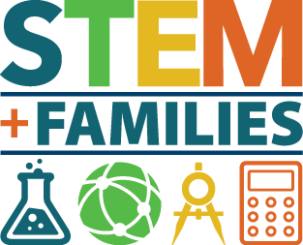
Select Activities for your Event! |  | Enter Number of Expected Particpants | 150
 | Balloon Skewers
 | Cool Colors
 | Bubbling Lava Lamp
 | Dancing Raisins
 | It's Chemical
 | It's All in the Taste Buds
 | Journey Through the Bloodstream
 | Martian Jelly
 | Sitcky Icky
 | Alka Rockets
 | Busy as a Bee
 | Strange Acting Goop
 | Ice Cream Chemistry
 | Catching A Bird
 | Are you an Acid or a Base?
 | Nails for Breakfast

